stacked column
Investment needs in the power sector

Please reference all figures as: 'International Energy Agency (2017), Energy Technology Perspectives 2017, OECD/IEA, Paris'

Chapter number | 6
Figure number | 12
Figure title | Investment needs in the power sector
Key point | Cumulative investment of USD 61 trillion is needed for power generation in the B2DS, with annual investments in the last decade almost tripling compared to 2015.

Notes | Gas includes investment in oil-fired generation. Renewables include investment in electricity storage of USD 1.2 trillion in the 2DS and USD 1.7 trillion in the B2DS.
Sources | Data for 2015 from World Energy Investment 2016 (IEA (2016e).

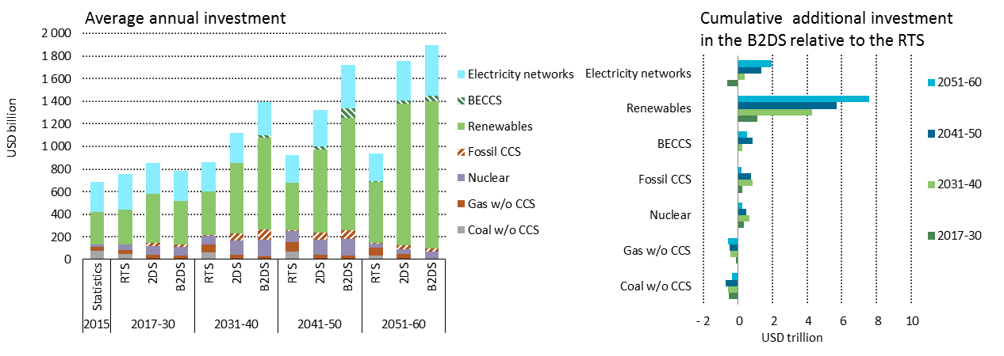
Labels
Primary y axis | USD billion

FIGURE

DATA
 | 2015 | 2017-30 |  |  | 2031-40 |  |  | 2041-50 |  |  | 2051-60
 | Statistics | RTS | 2DS | B2DS | RTS | 2DS | B2DS | RTS | 2DS | B2DS | RTS | 2DS | B2DS
Coal w/o CCS | 78 | 46 | 12 | 8 | 60 | 1 | 0 | 70 | 0 | 0 | 34 | 0 | 0
Gas w/o CCS | 33 | 36 | 29 | 26 | 74 | 39 | 31 | 81 | 41 | 32 | 72 | 46 | 15
Nuclear | 21 | 52 | 78 | 77 | 80 | 131 | 146 | 100 | 131 | 148 | 34 | 45 | 58
Fossil CCS | 0 | 2 | 25 | 19 | 4 | 59 | 87 | 6 | 62 | 82 | 5 | 32 | 23
BECCS | 0 | 0 | 0 | 0 | 0 | 4 | 23 | 1 | 25 | 87 | 1 | 27 | 51
Renewables | 288 | 305 | 437 | 383 | 382 | 621 | 811 | 419 | 740 | 988 | 544 | 1255 | 1304
Electricity networks | 262 | 314 | 272 | 267 | 259 | 263 | 297 | 249 | 321 | 382 | 250 | 348 | 444
 | 682 | 755 | 853 | 782 | 859 | 1118 | 1395 | 925 | 1320 | 1718 | 939 | 1754 | 1894

DATA

 | 2017-30 | 2031-40 | 2041-50 | 2051-60 |  |  |  | 2017-30 | 2031-40 | 2041-50 | 2051-60
Coal w/o CCS | -534 | -593 | -698 | -338 |  |  | Coal w/o CCS | -49 | -2 | -1 | 0
Gas w/o CCS | -128 | -432 | -484 | -571 |  |  | Gas w/o CCS | -37 | -82 | -91 | -310
Nuclear | 355 | 662 | 482 | 246 |  |  | Nuclear | -82 | 280 | 197 | -93
Fossil CCS | 237 | 829 | 758 | 174 |  |  | Fossil CCS | 0 | 185 | 613 | 242
BECCS | 0 | 227 | 857 | 497 |  |  | BECCS | -330 | 414 | 726 | 242
Renewables | 1103 | 4284 | 5685 | 7598 |  |  | Renewables | -293 | 1121 | 867 | -186
Electricity networks | -648 | 383 | 1332 | 1944 |  |  | Electricity networks | -65 | 346 | 606 | 957

